UNIT-III
\
\
Multiple Choice Questions
Subject: VLSIDT Sem-I Year: BE Division: 2
Faculty Name:
Sr. No | Question | Image | Option A | Option B | Option C | Option D | Correct Option | CO | Revised Bloom's Level | Marks
1 | An Antifuse programming technology is predominantly associated with _____. |  | SPLDs | FPGAs | CPLDs | All of the above | B | CO3 | L2 | 1
2 | In fusible link technologies, the undesired fuses are removed by the pulse application of _____voltage & current to device input. |  | Low | Moderate | High | All of the above | C | CO3 | L2 | 1
3 | Which programming technology/ies is/are predominantly associated with SPLDs and CPLDs? |  | EPROM | EEPROM | FLASH | All of the above | D | CO3 | L1 | 1
4 | Which type of MOSFET exhibits no current at zero gate voltage? |  | Depletion MOSFET | Enhancement MOSFET | Both a and b | None of the above | A
5 | The difference between a PAL & a PLA is ____________ |  | PALs and PLAs are the same thing | The PLA has a programmable OR plane and a programmable AND plane, while the PAL only has a programmable AND plane | The PAL has a programmable OR plane and a programmable AND plane, while the PLA only has a programmable AND plane | The PAL has more possible product terms than the PLA | B | CO3 | L2 | 1
6 | In FPGA, vertical and horizontal directions are separated by ____________ |  | A line | A channel | A strobe | A flip-flop | B | CO3 | L2 | 1
7 | The complex programmable logic device contains several PLD blocks and __________ |  | A language compiler | AND/OR arrays | Global interconnection matrix | Field-programmable switches | C | CO3 | L2 | 1
8 | The full form of EEPROM is __________ |  | Erasable Electrically Programmable ROMs | Electrically Erasable Programmable ROMs | Electrically Erasable Programming ROMs | Electrically Erasable Programmed ROMs | B | CO3 | L1 | 1
9 | In synthesis flow, which stage/s is/are responsible for converting an unoptimized boolean description to PLA format? |  | Translation | b. Optimization | c. Flattening | d. All of the above | C |  |  |  | GS
10 | In spartan-3 family architecture, which programmable functional element accepts two 18 bit binary numbers as inputs and computes the product? |  | Configurable Logic Blocks | Input Output Blocks | Block RAM | Multiplier Blocks | D
11 | What are the Outputs of AND gate in PLD is said to be _____ |  | Both input and output same | B. Strobe lines | C. Output lines | D. Input lines | C | CO3 | L2 | 1
12 | The content of a simple programmable logic device (PLD) consists of: |  | fuse-link arrays | thousands of basic logic gates | advanced sequential logic functions | thousands of basic logic gates and advanced sequential logic functions | D | CO3 | L2 | 1
13 | The complex programmable logic device (CPLD) contains several PLD blocks and: |  | a global interconnection matrix | field-programmable switches | AND/OR arrays | a language compiler | A | CO3 | L2 | 1
14 | PLAs, CPLDs, and FPGAs are all which type of device? |  | CPLD | PLDS | FPAGA | NONE OF THE ABOVE | B | CO3 | L2 | 1
15 | Once a PAL has been programmed: |  | it cannot be reprogrammed. | Its outputs are only active HIGHs | its outputs are only active LOWs | its logic capacity is lost | A | CO3 | L1 | 1
16 | The FPGA refers to |  | First programmable Gate Array | Field Programmable Gate Array | First Program Gate Array | Field Program Gate Array | B | CO3 | L2 | 1
17 | PLD contains a large number of |  | Flip-flops | Gates | Registers | All of the Mentioned | D | CO3 | L2 | 1
18 | In the following PLA, which output implements the logic function ABCD? | 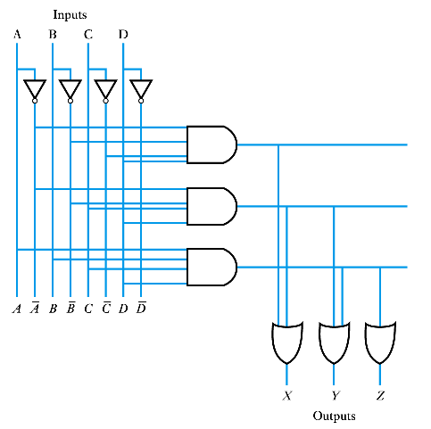 | X | Y | Z | None of the these | C | CO3 | L4 | 2
19
20 | An integrated circuits with internal logic gates connected through electronic fuses is called |  | portable large device | portable logic device | . programmable large device | programmable logic device | D | CO3 | L2 | 1
21 | What would happen, if smaller logic modules are utilized for performing logical functions associated with FPGA? A. Propagation delay will increase B. FPGA area will increase C. Wastage of logic modules will not be prevented D. Number of interconnected paths in device will decrease |  | A & B | C & D | A & D | B & C | A | CO3 | L3 | 2
22 | Which type of CPLD packaging can provide maximum number of pins on the package due to small size of the pins? |  | PLCC | QFP | PGA | BGA | D | CO3 | L2 | 1
23 | How many logic gates can be implemented in the circuit by complex programmable logic devices (CPLDs)? |  | 10 | 100 | 1000 | 10000 | D | CO3 | L3 | 1
24 | _________ is the fundamental architecture block or element of a target PLD. |  | 0 | Pre-layout Simulation | Logic cell | Post-layout Simulation | C | CO3 | L2 | 1
25 | An Antifuse programming technology is predominantly associated with _____. |  | SPLDs | CPLDs | FPGAs | All of the above | C | CO3 | L2 | 1
26 | Why antifuses are implemented in a PLD? |  | To protect from high voltage | To increase the memory | To implement the programmes | As a switching devices | C | CO3 | L2 | 1
27 | Which among the following is/are not suitable for in-system programming? |  | EPROM | EEPROM | Flash | All of the above | A | CO3 | L2 | 1
28 | Simple Programmable Logic Devices (SPLDs) are also regarded as _____________. |  | Programmable Array Logic (PAL) | Generic Array Logic (GAL) | Programmable Logic Array (PLA) | All of the above | D | CO3 | L2 | 1
29 |  |  |  |  |  |  |  | CO3
30 |  |  |  |  |  |  |  | CO3
31 |  |  |  |  |  |  |  | CO3
32 |  |  |  |  |  |  |  | CO3
33 |  |  |  |  |  |  |  | CO3
34 |  |  |  |  |  |  |  | CO3
35 |  |  |  |  |  |  |  | CO3
36 |  |  |  |  |  |  |  | CO3
37 |  |  |  |  |  |  |  | CO3
38 |  |  |  |  |  |  |  | CO3
39 |  |  |  |  |  |  |  | CO3
40 |  |  |  |  |  |  |  | CO3
41 |  |  |  |  |  |  |  | CO3
42 |  |  |  |  |  |  |  | CO3
43 |  |  |  |  |  |  |  | CO3
44 |  |  |  |  |  |  |  | CO3
45 |  |  |  |  |  |  |  | CO3
46 |  |  |  |  |  |  |  | CO3
47
48
49
50

Unit-IV
Department of Electronics and Telecommunication Engineering
Multiple Choice Questions
Subject: VLSIDT Sem-I Year: BE Division: II
Faculty Name:
Sr. No | Question | Image | Option A | Option B | Option C | Option D | Correct Option | CO | Revised Bloom's Level | Marks
1 | The CMOS gate circuit of NOT gate is: |  | 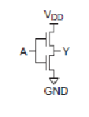 | 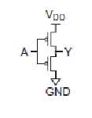 | 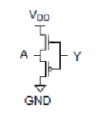 | 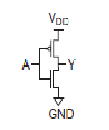 | D
2 | The truth table which accurately explains the operation of CMOS not gate is: |  |  |  |  |  | D
3 | The CMOS logic circuit for NAND gate is: |  | 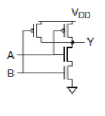 | 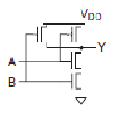 | 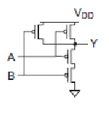 | None of the above | A
4 | In CMOS logic circuit the n-MOS transistor acts as: |  | Load | Pull up network | Pull down network | Not used in CMOS circuits | C
5 | In CMOS logic circuit the p-MOS transistor acts as: |  | Load | Pull up network | Pull down network | Not used in CMOS circuits | B
6 | In CMOS logic circuit, the switching operation occurs because: |  | Both n-MOSFET and p-MOSFET turns OFF simultaneously for input ‘0’ and turns ON simultaneously for input ‘1’ | Both n-MOSFET and p-MOSFET turns ON simultaneously for input ‘0’ and turns OFF simultaneously for input ‘1’ | N-MOSFET transistor turns ON, and p-MOSFET transistor turns OFF for input ‘1’ and N-MOS transistor turns OFF, and p-MOS transistor turns ON for input ‘0’ | None of the mentioned | C
7 | The CMOS logic circuit for NOR gate is: |  | 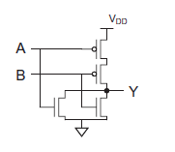 | 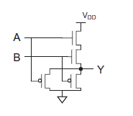 |  | None of the above | A
8 | When both nMOS and pMOS transistors of CMOS logic design are in OFF condition, the output is: |  | 1 or Vdd or HIGH state | 0 or ground or LOW state | High impedance or floating(Z) | None of the mentioned | C
9 | When both nMOS and pMOS transistors of CMOS logic gates are ON, the output is: |  | 1 or Vdd or HIGH state | 0 or ground or LOW state | High impedance or floating(Z) | None of the mentioned | C
10 | CMOS inverter has ______ regions of operation. |  | two | Three | Four | Five | D
11 | If n-transistor conducts and has large voltage between source and drain, then it is said to be in _____ region. |  | linear | saturation | non saturation | cut-off | B
12 | If p-transistor is conducting and has small voltage between source and drain, then it is said to work in ________ |  | linear | saturation | non saturation | cut-off | C
13 | If both the transistors are in saturation, then they act as ________ |  | current source | voltage source | divider | buffer | A
14 | If βn = βp, then Vin is equal to ________ |  | Vdd | Vss | 2 Vdd | 0.5Vdd | D
15 | Mobility depends on ________ |  | Transverse electric field | Vg | Vdd | Channel Length | A
16 | In CMOS inverter, transistor is a switch having ________ |  | infinite on resistance | finite off resistance | buffer | infinite off resistance | B
17 | CMOS inverter has ______ output impedance. |  | Low | High | Very High | None of the above | A
18 | Increasing fan-out ____________ the propagation delay. |  | increases | decreases | does not affect | exponentially decreases | A
19 | Fast gate can be built by keeping ________ |  | low output capacitance | low output capacitance | high output capacitance | input capacitance does not affect speed of the gate | A
20 | Microelectronic technology cannot be characterized by |  | minimum feature size | power dissipation | production cost | design cost | D
21 | Which model is used for scaling? |  | constant electric scaling | constant voltage scaling | costant electric and voltage scaling | costant current model | C
22 | Pass transistor can be driven through _____ pass transistors. |  | One | No | Two | more | B
23 | The power dissipation in Pseudo-nMOS is reduced to about ________ compared to nMOS device. |  | 50% | 30% | 60% | 70% | C
24 | In dynamic CMOS logic _____ is used. |  | two phase clock | one phase clock | three phase clock | four phase clock | D
25 | In clocked CMOS logic, output in evaluated in |  | on period | off period | both period | half of on period | A
26 | Built-in self test aims to |  | reduce test pattern generation cost | reduce volume of test data | reduce test time | all of the mentioned | D
27 | Depletion mode MESFET operates as |  | reverse biased | forward biased | both reverse and forward biased | none of the mentioned | A
28 | Pinch-off voltage is equal to |  | built-in potential | applied voltage | sum of built-in potential and applied voltage | difference of built-in potential and applied voltage | C
29 | Pinch-off voltage is a function of |  | channel depth | channel thickness | channel length | channel density | B
30 | The drain current is independent of |  | Vgs | Vds | Vt | Vs | A
31 | Pinch-off voltage is ______ to channel concentration density. |  | directly related | inversely related | exponentially related | is not related | A
32 | For depletion mode transistor, gate is connected to |  | Vdd | Source | Ground | drain | B
33 | The n-type semiconductor have _______ as majority carriers. |  | Holes | Negative ions | Electrons | Positive ions | C
34 | The oxide layer formed in the MOSFET is: |  | Metal oxide | Silicon dioxide | Poly Silicon oxide | Oxides of Non metals | B
35 | The current through the n-MOS transistor will flow when: |  | Vgs > Vtreshold, Vds=0 | Vgd < Vtreshold, Vds=0 | Vgs > Vtreshold, Vds>0 | Vgs > Vtreshold, Vds<0 | C
36 | The depletion mode n-MOS differs from enhancement mode n-MOS in: |  | Threshold voltage | Channel Length | Switching time | None of the mentioned | A
37 | The circuit shown below the output expression y is | 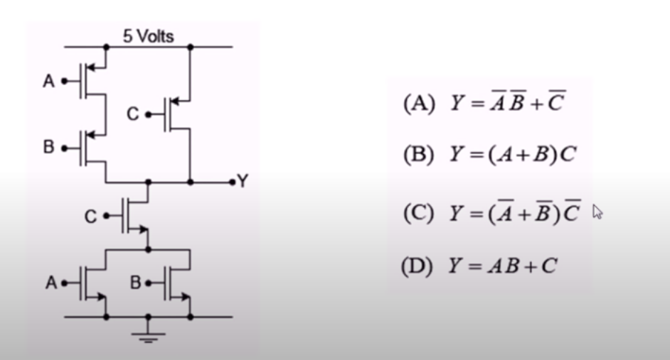 | A | B | C | D | A
38 | Determine the combinational logic equation | 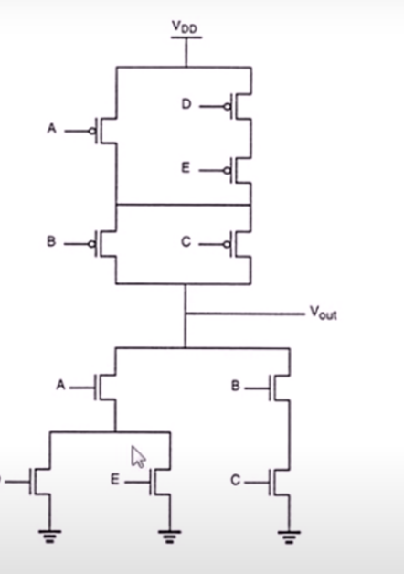 | (A+(DE)+BC )WHOLE BAR | (A(D+E)+(B+C)) WHOLE BAR | (A(D+E)+BC)WHOLE BAR | None of the above | C
39 | Compute the chip area of the logical circuit shown in fig | 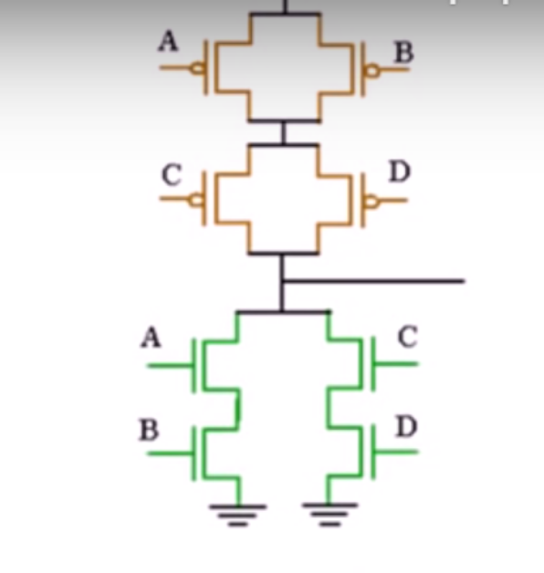 | 64L | 56L | 60L | none of the above | B
40 | The scaling factor of length and width of the channel are: |  | 1,1 | 1/α, 1/β | 1/α, 1/α, | 1/β, 1/β | C
41 | In the C MOS inverter circuit shown if the transconductance parameters of N MOS and P MOS transistor are 𝐾𝑛 = 𝐾𝑝 = 𝜇𝑛𝐶𝑂𝑋*𝑊𝑛/𝐿𝑛= 𝜇𝑝𝐶𝑂𝑋*𝑊𝑝/𝐿P== 40 𝜇𝐴 /𝑉^2 and threshold voltages are 𝑉𝑇 = 1𝑉 the current I is | 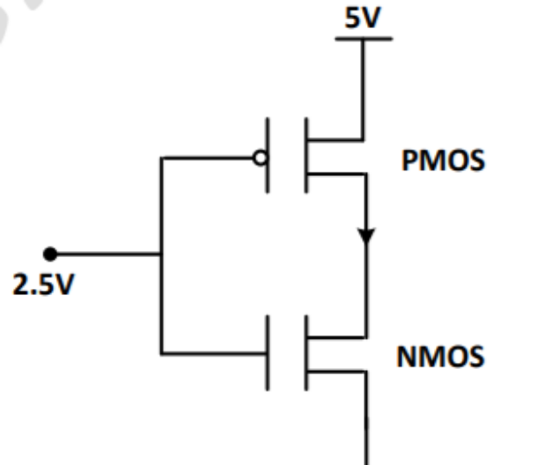 | 0 | 25 µ | 45 µ | 90 µ | C
42 | For the n – channel MOS transistor shown in figure, the threshold voltage VTH is 0.8V. Neglect channel length modulation effects. When the drain voltage VD = 1.6, the drain current ID was found to be 0.5 mA. If VD is adjusted to be 2V by changing the values of R and VDD, the new value of ID (in m A) is | 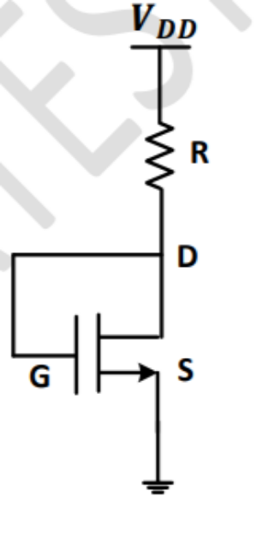 | 0.625 | 0.75 | 1.125 | 1.5 | C
43 | Consider the following statements for a metal oxide semiconductor field effect transistor (MOSFET): P: As channel length reduces, OFF – state current increases. Q: As channel length reduces, output resistance increases. R: As channel length reduces, threshold voltage remains constant. S: As channel reduces, ON current increases. Which of the above statements are INCORRECT? |  | P and Q | P and S | Q and R | Rand S | C
44 | The effective channel length of a MOSFET in saturation decreases with increase in |  | Gate voltage | Drain voltage | Source voltage | Body voltage | B
45 | Identify the circuits as shown in fig. | 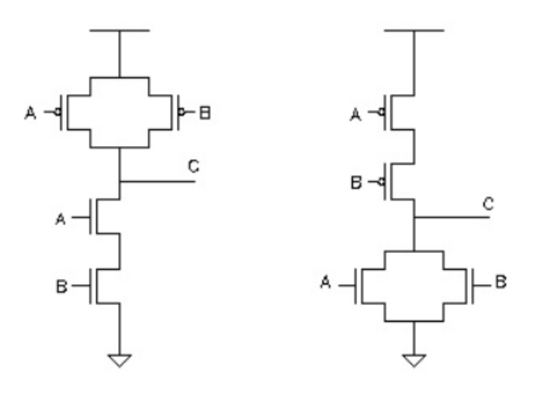 | NAND Gate, Not Gate | NAND Gate, Nor Gate | NOR Gate, NAND Gate | Not gate, Nor gate | B
46 | Identify the Circuit as shown in fig. | 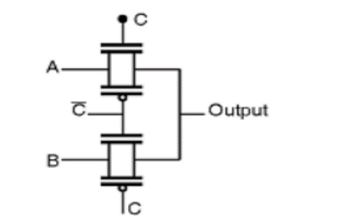 | NAND Gate | 4:1 mux transmission gate | 2:1 mux transmission gate | None of the above | C
47 | In CMOS inverter, the propagation delay of a gate is the/an _________ transition delay time for the signal during propagation from input to output especially when the signal changes its value. |  | Highest | Average | Lowest | None of the above | B
48 | In CMOS circuits, which type of power dissipation occurs due to switching of transient current and charging & discharging of load capacitance? |  | Static dissipation | b. Dynamic dissipation | c. Both a and b | d. None of the above | B
49 | In the region where inverter exhibits gain, the two transistors are in _______ region. |  | cut-off | linear | non saturation | saturation | A
50 | Choose the correct statement |  | MOSFET is a unipolar, voltage controlled, two terminal device | MOSFET is a bipolar, current controlled, three terminal device | MOSFET is a unipolar, voltage controlled, three terminal device | MOSFET is a bipolar, current controlled, two terminal device | C

 |  |  | d)

Unit-V

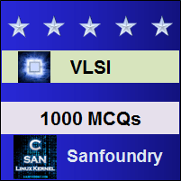
Department of Electronics and Telecommunication Engineering
Multiple Choice Questions
Subject: Sem-I Year: SE/TE/BE Division:
Faculty Name:
Sr. No | Question | Image | Option A | Option B | Option C | Option D | Correct Option | CO | Revised Bloom's Level | Marks
1 | In floorplanning, which phase/s play/s a crucial role in minimizing the ASIC area and the interconnection density? |  | Placement | Global Routing | Detailed Routing | All of the above | A | CO5 | L1 | 1
2 | Implant is represented using ___________ |  | black, dark line | b) black, dotted line | c) yellow, dark line | d) yellow, dotted line | D
3 | Photoresist layer is formed using __________ and In CMOS fabrication, the photoresist layer is exposed to __________ |  | high sensitive polymer, visible light[ | light sensitive polymer,ultraviolet light | polysilicon, infra red light silicon di oxide, | d) fluorescent | B
4 | nMOS fabrication process is carried out in ____________and______________ Impurities are added to the wafer of the crystal |  | thin wafer of a single crystal and p impurities | b) thin wafer of multiple crystals and n impurities | c) thick wafer of a single crystal and siicon | d) thick wafer of multiple crystals and crystal | A
5 | Heavily doped polysilicon is deposited using |  | chemical vapour decomposition | chemical vapour deposition | chemical deposition | dry deposition[ | B
6 | Which type of CMOS circuits are good and better? . N-well is formed by __________ |  | p well ,decomposition | n well, diffusion | all of the mentioned | none of the mentioned | B
7 | CMOS has _____________and P-well is created on_____________ |  | high noise margin, p subtrate | high packing density, n substrate[ | high power dissipation, p & n substrate | none of the mentioned | B
8 | ASIC stands for: |  | application speedy integrated circuit. | application specific integrated circuit. | advanced standard integrated circuit.[object | advanced speed integrated circuit. | B
9 | The width of n-diffusion and p-diffusion layer should be? |  | 3λ | 2λ | λ | 4λ | B
10 | Which color is used for n-diffusion? |  | red | green | blue | yellow | C
11 | What are the advantages of design rules? |  | durable | b) scalable | c) portable | d) all of the mentioned | C
12 | Design rules does not specify __________ |  | linewidths | separations | extensions | colours | D
13 | ________ is used to deal with effect of variation. |  | chip level technique | b) logic level technique | c) switch level technique | d) system level technique | D
14 | As die size shrinks, the complexity of making the photomasks ____________ |  | increases | b) decreases | c) remains the same | d) cannot be determined | A
15 | ______ architecture is used to design VLSI. |  | system on a device | b) single open circuit | c) system on a chip | d) system on a circuit | C
16 | What is the design flow of VLSI system? | i. architecture design ii. market requirement iii. logic design iv. HDL coding | ii-i-iii-iv | b) iv-i-iii-ii | c) iii-ii-i-iv | d) i-ii-iii-iv | A
17 | Which is the high level representation of VLSI design? |  | problem statement | b) logic design | c) HDL program | d) functional design | A
18 | nMOS fabrication process is carried out in ____________ |  | thin wafer of a single crystal | b) thin wafer of multiple crystals | c) thick wafer of a single crystal | d) thick wafer of multiple crystals | A
19 | ______________ impurities are added to the wafer of the crystal. |  | n impurities | b) p impurities | c) siicon | d) crystal | B
20 | What kind of substrate is provided above the barrier to dopants? |  | insulating | b) conducting | c) silicon | d) semiconducting | A
21 | The photoresist layer is exposed to ____________ |  | Visible light | b) Ultraviolet light | c) Infra red light | d) LED | B
22 | In nMOS device, gate material could be ____________ |  | silicon | b) polysilicon | c) boron | d) phosphorus | B
23 | Which is the commonly used bulk substrate in nMOS fabrication? |  | silicon crystal | b) silicon-on-sapphire | c) phosphorus | d) silicon-di-oxide | C
24 | In nMOS fabrication, etching is done using ____________ |  | plasma | b) hydrochloric acid | c) sulphuric acid | d) sodium chloride | A
25 | Heavily doped polysilicon is deposited using ____________ |  | chemical vapour decomposition | b) chemical vapour deposition | c) chemical deposition | d) dry deposition | B
26 | In diffusion process ______ impurity is desired. |  | n type | b) p type | c) np type | d) none of the mentioned | A
27 | Contact cuts are made in ____________ |  | source | b) drain | c) metal layer | d) diffusion layer | A
28 | Interconnection pattern is made on ____________ |  | polysilicon layer | b) silicon-di-oxide layer | c) metal layer | d) diffusion layer | C
29 | _______ is used to suppress unwanted conduction. |  | phosphorus | b) boron | c) silicon | d) oxygen | B
30 | Which is used for the interconnection? |  | boron | b) oxygen | c) aluminium | Silicon | C
31 | CMOS technology is used in developing which of the following? |  | microprocessors | b) microcontrollers | c) digital logic circuits | d) all of the mentioned | D
32 | CMOS has __________ |  | high noise margin | b) high packing density | c) high power dissipation | d) high complexity | B
33 | Oxidation process is carried out using __________ |  | hydrogen | b) low purity oxygen | c) sulphur | d) nitrogen | A
34 | Photoresist layer is formed using __________ |  | high sensitive polymer | b) light sensitive polymer | c) polysilicon | d) silicon di oxide | B
35 | Few parts of photoresist layer is removed by using __________ |  | acidic solution | b) neutral solution | c) pure water | d) diluted water | A
36 | P-well doping concentration and depth will affect the __________ |  | threshold voltage | b) Vss | c) Vdd | d) Vgs | A
37 | Which type of CMOS circuits are good and better? |  | p well | b) n well | c) all of the mentioned | d) none of the mentioned | B
38 | N-well is formed by __________ |  | decomposition | b) diffusion | c) dispersion | d) filtering | B
39 | _______ is sputtered on the whole wafer. |  | silicon | b) calcium | c) potassium | d) aluminium | D
40 | What is the disadvantage of the MOS device? |  | limited current sourcing | b) limited voltage sinking | c) limited voltage sourcing | d) unlimited current sinking | A
41 | Medium scale integration has ____________ |  | ten logic gates | b) fifty logic gates | c) hundred logic gates | d) thousands logic gates | C
42 | As die size shrinks, the complexity of making the photomasks ____________ |  | increases | b) decreases | c) remains the same | d) cannot be determined | A
43 | What is Lithography? |  | Process used to transfer a pattern to a layer on the chip | b) Process used to develop an oxidation layer on the chip | c) Process used to develop a metal layer on the chip | d) Process used to produce the chip | A
44 | Silicon oxide is patterned on a substrate using ____________ |  | Physical lithography | b) Photolithography | c) Chemical lithography | d) Mechanical lithography | B
45 | Positive photo resists are used more than negative photo resists because ___________ |  | Negative photo resists are more sensitive to light, but their photo lithographic resolution is not as high as that of the positive photo resists | b) Positive photo resists are more sensitive to light, but their photo lithographic resolution is not as high as that of the negative photo resists | c) Negative photo resists are less sensitive to light | d) Positive photo resists are less sensitive to light | A
46 | The ______ is used to reduce the resistivity of poly silicon. |  | Photo resist | b) Etching | c) Doping impurities | d) None of the mentioned | C
47 | The isolated active areas are created by technique known as ___________ |  | Etched field-oxide isolation | b) Local Oxidation of Silicon | c) Etched field-oxide isolation or Local Oxidation of Silicon | d) None of the mentioned | C
48 | To grow the polysilicon gate layer, which of the following chemical is used for chemical vapour deposition? |  | Silicon Nitride(Si3N4) | b) Silane gas(SiH4) | c) Silicon oxide | d) None of the mentioned | B
49 | Which process is involved in growing the shaded region? | 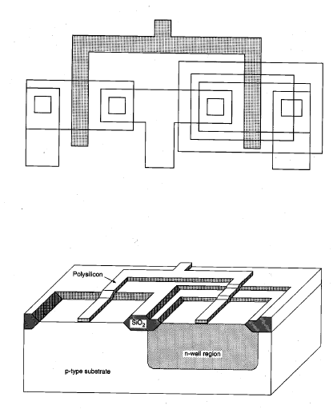 | Chemical vapor deposition (CVD) | b) Sputtering and patterned by etching | c) Chemical vapor deposition (CVD) and patterned by HF acid etching | d) Chemical vapor deposition (CVD) and patterned by dry (plasma) etching | D
50 | Gate oxide layer consists of ___________ | 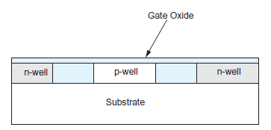 | SiO2 layer, overlaid with a few layers of an oxynitrided oxide | b) Only SiO2 Layer | c) SiO2 layer with Polysilicon Layer | d) SiO2 layer and stack of epitaxial layers of Polysilicon | A

